Overview
 Portolio Project | Grammy.com Web Analytics

— Your Job
Are you excited to dive into data work for an exciting project at The Recording Academy? You know, the non-profit organization behind the Grammy Awards! In this project, you'll work on real data from both websites owned by The Recording Academy, the non-profit organization behind the famous Grammy Awards. As you just learned, Ray Starck, the VP of Digital Strategy, decided to split the websites into grammy.com and recordingacademy.com to better serve the Recording Academy's various audience needs. Now, you are tasked with examining the effect of splitting up the two websites, and analyzing the data for a better understanding of trends and audience behavior on both sites. Are you ready?!?! Let's do this!

— Your Skills
For this task, you'll engage the following skills: (1) Prepare the data by transforming it. (2) Calculate business KPIs (3) Make recommendations for the organization.

— Ready to Begin? Click the next tab below to explore the data dictionary!

Complete Your Analysis!
About Your Analysis
• All of your answers should be typed or pasted into the grey boxes. • Questions with grey answer boxes expect a specific answer. If you input the correct answer, the question number box will change from blue to green. • Questions with yellow answer boxes are free response questions. There will be no change in the question number boxes (in blue), regardless of answer. • For hints for each question, hover your mouse over the blue hint box to get helpful information!

Now, it's time to analyze!

Part 1: Explore the Data
 | To begin the data exploration you will be looking at the Grammys Data sheet. The data contained there includes all the data provided by The Recording Academy, the organization behind The Grammy Awards. |  | Note!

1a | Create a line chart of the number of daily visitors to the Grammy.com website. See if you can spot the days the Grammy Awards are hosted. Use the Grammys Data sheet for this graph. The horizontal axis should be the date field. |  | Hint!

Visitors
 | visitors
1/1/2017 | 9611
1/2/2017 | 10752
1/3/2017 | 11425
1/4/2017 | 13098
1/5/2017 | 12234
1/6/2017 | 11461
1/7/2017 | 11183
1/8/2017 | 16265
1/9/2017 | 17852
1/10/2017 | 14211
1/11/2017 | 13456
1/12/2017 | 13616
1/13/2017 | 11880
1/14/2017 | 11888
1/15/2017 | 12706
1/16/2017 | 12691
1/17/2017 | 13260
1/18/2017 | 14483
1/19/2017 | 13551
1/20/2017 | 13215
1/21/2017 | 12578
1/22/2017 | 16502
1/23/2017 | 14620
1/24/2017 | 17787
1/25/2017 | 15447
1/26/2017 | 15211
1/27/2017 | 14007
1/28/2017 | 12950
1/29/2017 | 16137
1/30/2017 | 18765
1/31/2017 | 35148
2/1/2017 | 28565
2/2/2017 | 27502
2/3/2017 | 22888
2/4/2017 | 25069
2/5/2017 | 30728
2/6/2017 | 34723
2/7/2017 | 47583
2/8/2017 | 52279
2/9/2017 | 73648
2/10/2017 | 91058
2/11/2017 | 133362
2/12/2017 | 1930245
2/13/2017 | 1057729
2/14/2017 | 213939
2/15/2017 | 105345
2/16/2017 | 72888
2/17/2017 | 62042
2/18/2017 | 56309
2/19/2017 | 45545
...

1b | What can you say about the visitors to the website by looking at the graph?

 | What i can see is that there is always a small peak before the highest a month prior probably due to people looking up whats going to happen before the start. And the peaks ususually happen 2/1 and 3/1 every year.

 |  |  |  | Place the PivotTable for Task 2a below.
2a | Using the Grammys Data sheet, create a PivotTable to compare the average daily website visitors on days when an award ceremoney was held to those when no awards ceremonies were held. |  | Hint!
 |  |  |  |  | Row Labels | Average of visitors
2b | What can you say about these results? Roughly how many more visitors are on the website for the Grammy Awards ceremony versus a regular day? |  |  |  | Grammy Awards | 1389590.2308
 |  |  |  |  | Regular Day | 32388.276943 | -1357201.9541
 | The difference is very signifcant as on Grammy Awards Day they would average about 1,389,590 visitors while on a regular day 32,388, making it a 1,357,202 visitor difference. |  |  |  | Grand Total | 39921.848847

3 | February 1st, 2022 marks the transition from when Grammy.com began to only host Grammys content instead of both Recording Academy and Grammys content. Fill in the values in the website_content column in the Grammys Data sheet. This column will have the value "Grammys" if the date occurred on or after 2/1/2022 and the value "Grammys + TRA" otherwise. |  | Hint!

Part 2: Analyze the Data
 | The Recording Academy is interested in several KPIs (Key Performance Indicators) to determine if the change from one site to two separate sites has improved these KPIs. In the section below you will calculate bounce rate, pages per session, and average time on site KPIs. |  | Note!

 | Calculate the pages_per_session metric by first finding the total pageviews and then dividing that by the total number of sessions. Pages per session is an important measure of how many unique pages a user views before leaving the site -- it's a strong indicator of user engagement.
4a | What is the pages_per_session on the Recording Academy data? | 2.78 | Hint! |  |  |  | Sum of sessions | Sum of pageviews
4b | What is the pages_per_session on the Grammys data? | 2.2532666845 |  |  |  |  | 1168668 | 3248061
4c | What is the pages_per_session on the Grammys + TRA data? | 1.86
 | Calculate the bounce_rate metric. You will need to first calculate the total bounced_sessions and divide by the total number of sessions. Bounce rate is an important metric that calculates the percentage of users (aka sessions) that come to your site and never interact with the page and leave. They are said to have "bounced" off your home page. It is a measure of how engaging your home page is with users.
5a | What is the bounce_rate on the Recording Academy data? | 34% | Hint! |  |  |  | Sum of sessions | Sum of bounced_sessions
5b | What is the bounce_rate on the Grammys data? | 40.2% |  |  |  |  | 1168668 | 393513
5c | What is the bounce_rate on the Grammys + TRA data? | 41.6%
 | Calculate the average_time_on_site metric. To do this, you only need to calculate the average of the avg_session_duration_secs column. Average Time on Site measures how engaging your website experience is for your users. The higher the number, the longer they are staying on your page and engaging with the content.
6a | What is the average_time_on_site on the Recording Academy data? | 128.50 | Hint!
6b | What is the average_time_on_site on the Grammys data? | 82.99
6c | What is the average_time_on_site on the Grammys + TRA data? | 102.85 |  |  |  |  |  | Average of avg_session_duration_secs
Part 3: Device Breakdown |  |  |  |  |  |  |  | 128.50309278
 | Ray and team want to know the percentage of visitors coming from mobile devices (iOS, Android, Tablets). They want to optimize the experience for mobile users but need to understand the percentage of mobile users in order to determine the impact it will have on the site.

7a | In the Grammys Data sheet there is a mobile_visits table on the right. Use the XLOOKUP function to fill in the missing column of the grammys table by looking up the corresponding date and returning the mobile_visitors column of the mobile_visits table. If the date is not found, the function should return the numeric value 0. |  | Hint!

7b | What percentage of uses across all dates in the dataset use a mobile device to visit the website? To calculate this value, you will the total number of mobile_visitors and divide by the total number of visitors | 73.7% | Hint!
Part 4: Communicate Findings
8 | Using the work you did in this project, would you recommend that the websites stay separate? Please give a 2-3 paragraph answer using details from the analysis work above explaining why or why not they should stay separate. |  | Hint!

Looking at the data we can see that when it comes to pagers_per_session TRA(2.78) and grammys(2.25) as seperate websites have higher user engagement on thier websites than both of them combined which comes to 1.86. With bounce_rate the TRA(34%) and grammys(40.2%) as seperate webistes both have a lower bounce rate then both of the websites combined. Meaning that the websites had better user retention together than seperate.
As for average _time_on_site TRA had 128.50 and Grammys 82.99. In this case TRA fairs off better as a seperate website and grammys does better if combined with TRA at 102.85. With all this information i can confidently conlcude that both websites fair off and perform better when seperate than together, have better user views of pages, and of user retention. there is the average time on site that differes but its till better to keep them seperate as the previous values outweight this one.
 | LookL

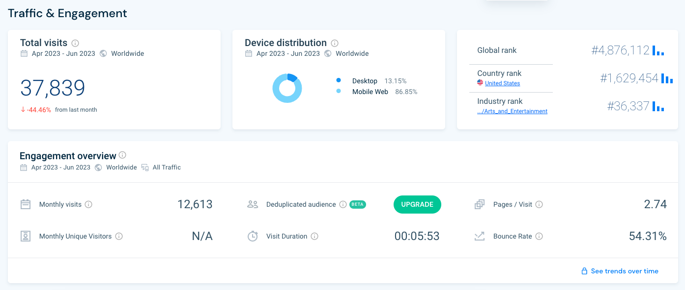
9 | Ray's team is also interested in comparing metrics of the Grammy.com website to that of their main competitor, The American Music Awards (theAMAs.com). On the right you will find a dashboard of the key metrics from The AMAs, use your findings from above to give feedback to Ray and team on which metrics are performing better / worse relative to the competition.

When it comes to pages per visit we are perfoming worse with a 2.25 while the AMA sit at a 2.74. Now for bounce rate we are also behind sitting at a 40.2% while the AMA's at 54.31. In average visit duration we are at 82.99 seconds per session while the AMA's sit at 5 minutes and 53 seconds placing us behind. And with mobile users they are more popular as well with a 86.85% and us with a 73.7%.

LevelUp! A/B Test in Excel
 | In your calculations for Ray, you noticed that there was indeed a difference in the pages_per_session metric between the "Grammys + TRA" content and the Recording Academy Data sheet. He wants to know if that difference is statistically significant and wants you to performan an A/B Test on the results. You have been provided with the control and test numbers in the AB Testing sheet. Use those to complete the analysis below.

10a | In words, state the null hypothesis for the A/B test. |  | Hint!
 | The mean "pages_per_session" for the "Grammys + TRA" content is equal to the mean "pages_per_session" for the Recording Academy Data sheet.

 | In words, state the alternative hypothesis for the A/B test
 | The mean "pages_per_session" for the "Grammys + TRA" content is equal to the mean "pages_per_session" for the Recording Academy Data sheet.

10b | Use the Data Analysis Toolpak to run an A/B test between the control group and test group. |  | Note!

10c | From the output of the A/B test, is there evidence at the 95% confidence level that the pages_per_session between the two websites are different? Why or Why not? Note: Pay attention to scientific notation when analyzing the results!

 | There is very strong evidence at the 95% confidence level that the pages per session are different between the two websites. The extremely small P-value and the large t-statistic confirm this result.

